DSP ARYA BIMA (Alcohol)
DATE | INV NO. | DESCRIPTIONS | QTY | BILLS | PRICE | TOTAL
5-Feb-2026 | SOPR/ABC/26/02/0071 | HAVANA CLUB 3 YO | 2 | 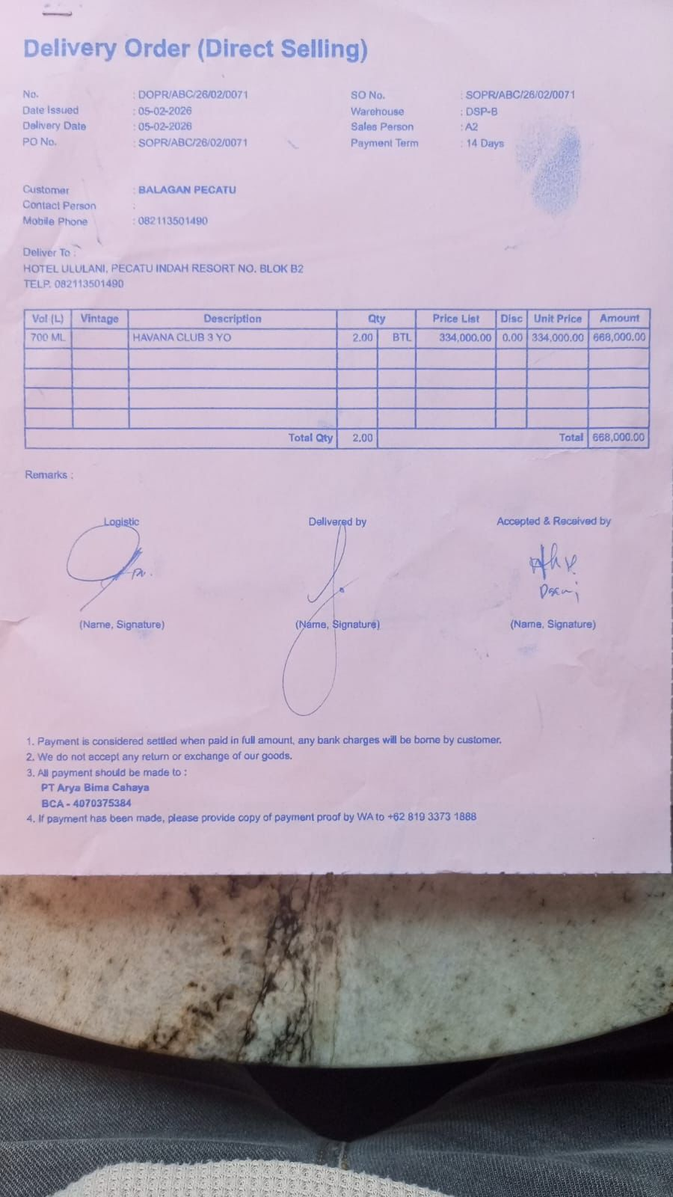 | IDR 334,000 | IDR 668,000
TOTAL |  |  |  | Rp668,000

